Sheet1
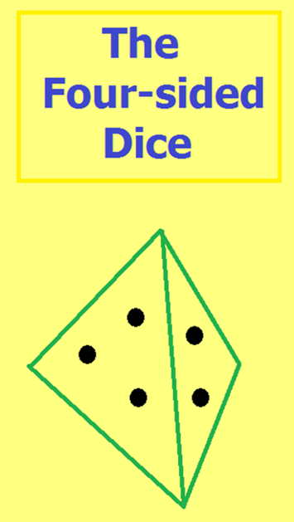
19 |  | 10 |  | 8 | 14

 | E(X) = |  | 12.75000

 | Var(X) = |  | 17.68750

Can you find positive integer values
for the four sides of a fair tetrahedral
dice that are not all even
so that E(X) = Var(X)?

 |  | Answers on Sheet2, Search program on Sheet3

Sheet3
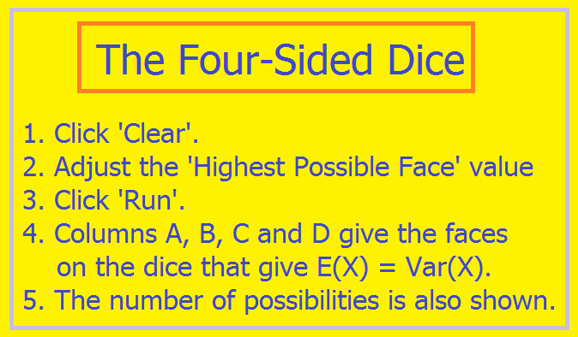
2 | 2 | 2 | 6 | 19
2 | 2 | 6 | 6
2 | 4 | 6 | 8 | Possibilities
2 | 6 | 8 | 8
4 | 4 | 6 | 10 | 20
4 | 8 | 8 | 12
4 | 10 | 10 | 12 | is highest
6 | 6 | 12 | 12 | face
6 | 8 | 8 | 14
6 | 8 | 12 | 14
6 | 10 | 14 | 14
6 | 14 | 14 | 14
8 | 8 | 12 | 16
8 | 12 | 14 | 18
8 | 14 | 16 | 18
10 | 10 | 10 | 18
10 | 12 | 14 | 20
10 | 18 | 20 | 20 |  | Start this activity on Sheet1
12 | 12 | 20 | 20

